stroopdata customized
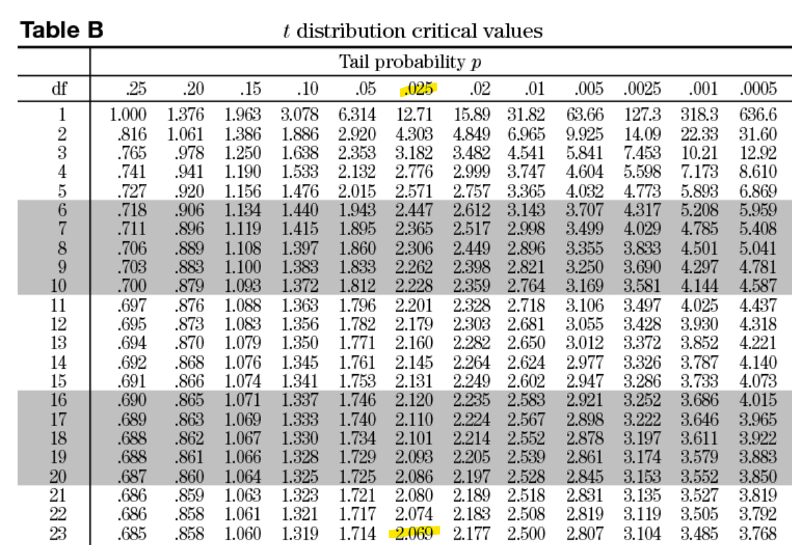
Sample# | Congruent | Incongruent | Difference
1 | 12.079 | 19.278 | 7.199
2 | 16.791 | 18.741 | 1.950
3 | 9.564 | 21.214 | 11.650
4 | 8.630 | 15.687 | 7.057
5 | 14.669 | 22.803 | 8.134
6 | 12.238 | 20.878 | 8.640
7 | 14.692 | 24.572 | 9.880
8 | 8.987 | 17.394 | 8.407
9 | 9.401 | 20.762 | 11.361
10 | 14.480 | 26.282 | 11.802
11 | 22.328 | 24.524 | 2.196
12 | 15.298 | 18.644 | 3.346
13 | 15.073 | 17.510 | 2.437
14 | 16.929 | 20.330 | 3.401
15 | 18.200 | 35.255 | 17.055
16 | 12.130 | 22.158 | 10.028
17 | 18.495 | 25.139 | 6.644
18 | 10.639 | 20.429 | 9.790
19 | 11.344 | 17.425 | 6.081
20 | 12.369 | 34.288 | 21.919
21 | 12.944 | 23.894 | 10.950
22 | 14.233 | 17.960 | 3.727
23 | 19.710 | 22.058 | 2.348
24 | 16.004 | 21.157 | 5.153
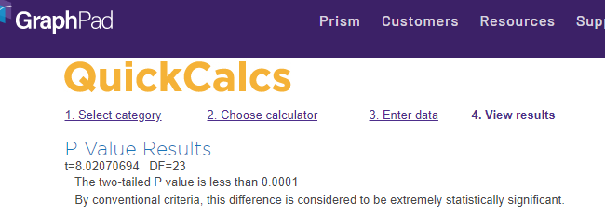
 | Congruent | Incongruent | Difference
MEAN | 14.051125 | 22.015917 | 7.964792
SD | 3.5593580 | 4.7970571 | 4.8648269
Sample Size | 24 | 24 | 24 | Confidence Interval
CI (confidence interval) |  |  | 0.95 | 5.9102154213 | 10.019367912
dF (degrees of freedom) |  |  | 23
a (alpha level) |  |  | 0.05
tc (t-critical value) |  |  | 2.069
SE (standard error) |  |  | 0.993028635
T (t-statistic) |  |  | 8.020706944
Cohen's D |  |  | 1.637219949
P (probability) |  |  | < 0.0001
https://www.graphpad.com/quickcalcs/pValue2/

Scatter w/ lines-plot: Congruent vs Incongruent distribution

Column plot: Congruent vs Incongruent distribution

